Grounding Calculator
Grounding Conductor Size Calculator
Enter the Input Values
Ground Fault current in Amps (1g) | 20000 | Amps
Fault Duration in Seconds (t) | 0.5 | Seconds
Current density of conductor in Amp/mm² (k ) | 80 | A/mm2
Values of the constant K of the materials
k for Copper | 205 | A/mm2
k for Aluminium | 126 | A/mm2
k for Steel (or) GI | 80 | A/mm2
Cross sectional area of bare conductor (S) | 176.7766953 | mm²
PHASE
INPUT
To know more about Grounding Conductor | CLICK HERE
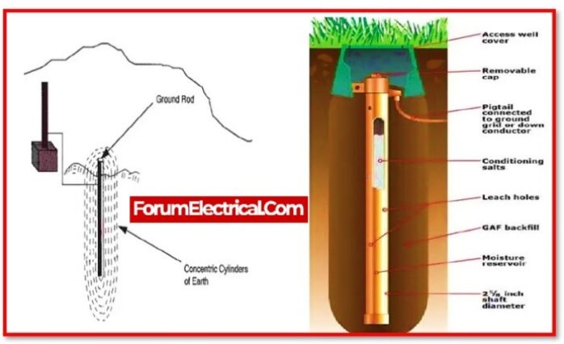
LOAD

POLE
NEUTRAL

GROUND

