Sheet1
OHM'S LAW CALCULATOR
 |  |  |  |  |  |  |  |  | On the surface of a conductor, current (I) flows from high-voltage point to low-voltage point.
All the yellow spaces must be filled in with data. |  |  |  |  |  |  |  |  | Amperes, or amps, are used to measure current.
Check the results in the ORANGE cells. |  |  |  |  |  |  |  |  | The electrical potential difference (E) between two points in a circuit is known as voltage.
The two RED cell entries represent the basis for the calculations of the results. |  |  |  |  |  |  |  |  | It is the force or pressure that accelerates current across a circuit and is expressed in volts (V).
Calculate for Current (I) |  |  |  |  |  |  |  | Amps | The resistance of a component controls the amount of current that flows through it.
I=P/E |  |  |  |  |  |  |  |  | Voltage & current levels are controlled using resistors.
Power | 5 | Voltage | 1 | = | Current | 5.00 | 5000.00 |  | Only minimal amounts of current can pass through very high resistance.
 | Watts |  | Volts |  |  | Amps | mA |  | A high current can flow through a very low resistance. Ohms are used to measure resistance.
I=Square Root (P/R) |  |  |  |  |  |  |  |  | (P) Power, expressed in wattage or watts, is the product of the current and the voltage at a specific point.
Power |  | Resistance |  | = | Current | 0.00 | 0.00
 | Watts |  | Ohms |  |  | Amps | mA
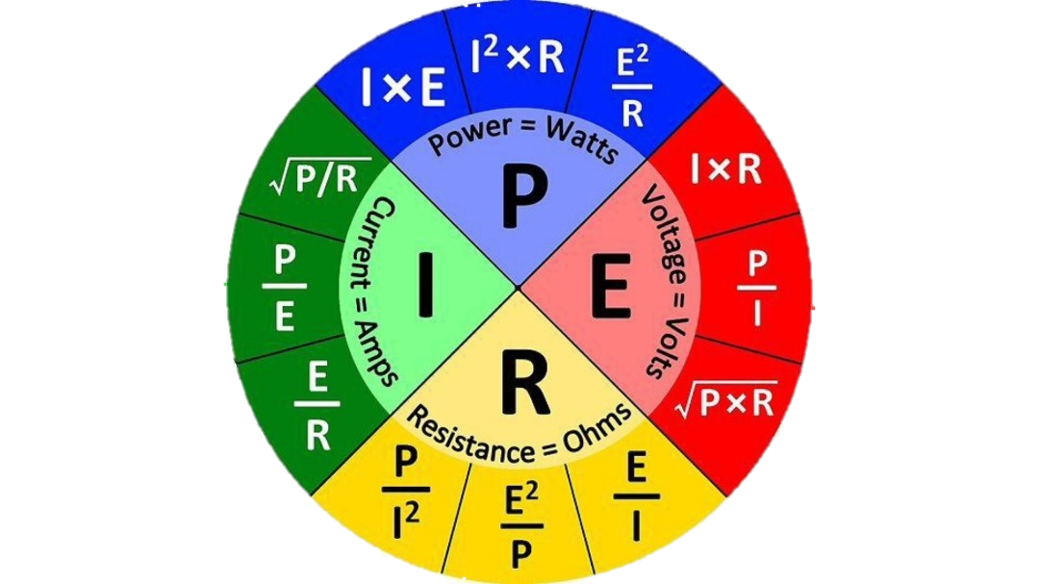
I=E/R
Voltage | 230 | Resistance | 3 | = | Current | 76.67 | 76666.67
 | Volts |  | Ohms |  |  | Amps | mA
Calculate for Power (P) |  |  |  |  |  |  |  | Watts
P = I 2 x R
Current |  | Resistance |  | = | Power | 0.00 | 0.00
 | Amps |  | Ohms |  |  | Watts | HP
P = E x I
Voltage | 230 | Current | 5 | = | Power | 1150.00 | 1.54
 | Volts |  | Amps |  |  | Watts | HP
P = E 2 / R
Voltage |  | Resistance |  | = | Power | 0.00 | 0.00
 | Volts |  | Ohms |  |  | Watts | HP
Calculate for Resistance ('R) |  |  |  |  |  |  |  | Ohms
R = P / I 2
Power | 5 | Current | 3 | = | Resistance | 0.56 | 0.00
 | Watts |  | Amps |  |  | Ohms | K Ω
R = E / I
Voltage |  | Current |  | = | Resistance | 0.00 | 0.00
 | Volts |  | Amps |  |  | Ohms | K Ω
R = E 2 / P
Voltage |  | Power |  | = | Resistance | 0.00 | 0.00
 | Volts |  | Watts |  |  | Ohms | K Ω
Calculate for Voltage (E) |  |  |  |  |  |  |  | Volts
E = I x R
Current | 110 | Resistance | 100 | = | Voltage | 11000.00 | 11.00
 | Amps |  | Ohms |  |  | Volts | KV
E = P / I
Power |  | Current |  | = | Voltage | 0.00 | 0.00
 | Watts |  | Amps |  |  | Volts | KV
E = Square Root of (P x R)
Power |  | Resistance |  | = | Voltage | 0.00 | 0.00
 | Watts |  | Ohms |  |  | Volts | KV

